Instructions
 |  | B2B semantic format

File Structure Overview

This document is organised into several tabs: - The “Version” tab to consult the changes for each version delivered - The “Instructions” tab - The tabs dedicated to the semantic format of the directory Each format includes the structure of the Directory flow

 | Column A "ID": indicates the identifier of a field that uniquely identifies it to track changes. The ID should not be changed.

 | Column B "Cardinality": indicates the number of possible relationships between two elements of a data model. Its value can be single (1) or multiple (n).

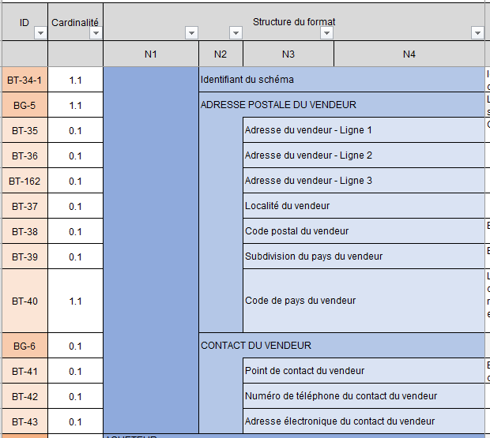
 | Columns C-D-E-F “Format structure”: show the tree structure of the semantic format.
 | The data is grouped into blocks, which can themselves be grouped into blocks: together they constitute the semantic format.

 |  |  | For example, the consultation format is made up of six blocks, containing data or sub-blocks of data, at up to four levels of the tree structure. Data blocks are identified by an ID as the Directory Group, while data is identified by an ID as the Directory Term.

 | Columns G-H "Path of the Standard": indicate the path of the data standard

 | Columns I-J “Logical type” and “Length”: indicate the characteristics of each data item. List of logical type values: Boolean, Date, identifier, list, number, text, etc.

 | Column K " List of Values & Nomenclatures": in the case of a list type data, indicates all possible values. The values are detailed in the tab in Annex 7 - Management Rules. In some cases, a management rule may restrict the values

 | Column L "Management rule to be respected": indicates the rule(s) of each data.

 | Column M “Business Definition”: indicates the business definition for each data item.

 | Column N “EN16931 usage note”: Indicates usage in the standard

 | Column O (Only for flow 1 formats) “Trajectory”: Indicates the trajectory of the data that will be requested at start-up or in the target according to the timetable defined by the reform

 | Column O-P (Only for flow 2 formats): "CPRO EDI generic rules" & "CPRO EDI syntactic rules": these are the specific management rules. Each management rule is codified and detailed in Annex 7 - Management Rules

 | Column P-Q (Only for flow 1 formats): "CPRO EDI generic rules" & "CPRO EDI syntactic rules": these are the specific management rules. Each management rule is codified and detailed in Annex 7 - Management Rules. Coding of the management rules: - G: Rules applied for all flow formats - S: Syntactic rules - P: Recommended rules, i.e. good practices to be followed but which do not lead to rejection of the flow if they are not

 | Column Q (Only for flow 2 formats): “Standard EN16931 rules”: these are the standard-specific management rules. Each management rule is codified and detailed in Annex 7 - Management Rules.

 | Column R (Only for flow 1 formats): “Standard EN16931 rules”: these are the standard-specific management rules. Each management rule is codified and detailed in Annex 7 - Management Rules.

 | Column R (only for factor-X formats) Flow 2: "Profiles": identification for each data of the associated Factur-X profile type.

 | Column S (Only for factor-X formats) Flow 1: "Profiles": identification for each data of the associated Factur-X profile type.

